Requirement Specifications
Summary Specification |  |  |  | Project Title | Team Name |  |  | Function Name | Person responsible | HuyNM | Creation Date | 2024-05-11 | Document No.
 |  |  |  | SP24SAP04_BSLB | ABC_ROLLOUT |  |  | User Exit Enhancement in Bank Statement

Related operation flow
Overview Explanation
 | Overview: User Exits are essential for organizations using SAP because they provide the flexibility to tailor the system's standard behavior to fit the unique requirements of their
 | financial operations, including the detailed and accurate reflection of activities in bank statements. This customization capability is critical for efficient financial processing, compliance,
 | and ensuring that the ERP system supports the organization's specific business processes and reporting needs.
Purpose/Background
 | Purpose:
 | - Customization of Processing Logic
 | - Integration with External Systems
 | - Compliance and Reporting
 | - Enhancement of User Experience and Efficiency
 | - Specific Business Logic Implementation
Operation Functional Requirements
 | 1. General Requirements
 | - User Exit: FEB00004

 | Scenario 1: With the HUF currency (Hugarian Forint), the banks are using the numbers behind the decimal point, but the SAP System is not.
 | At this point, the conflict happens, which shows up the error when importing Bank Statement.

 | Scenario 2: With the USD currency (United States dollars), when the customers make the transactions (inflow) that have the amount over $10.000,
 | the bank will be automatically charging $10 over the total bill.

 | 2. Logic Execution
 | Scenario 1: Set logic for rounding when import Bank Statement with HUF Currency

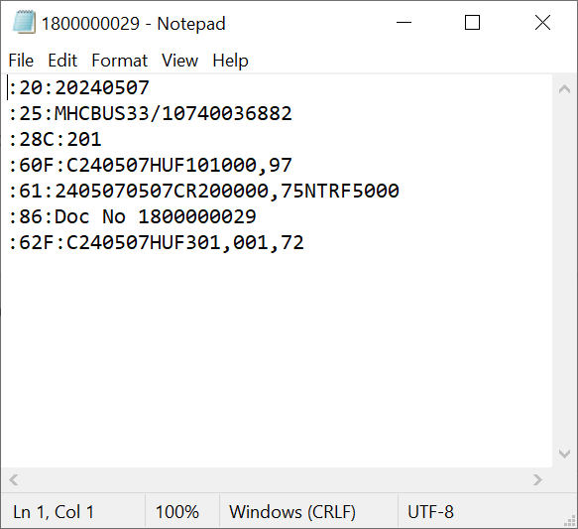
 | Check File Bank Statement with Currency = HUF
 | Find Amount in Tag 60F, 61, 62F -> Remove decimal amount
 | Sum total of removed decimal amount in Tag 61 = X
 | - If amount in Tag 60F + X = Amount in 62F -> Done
 | - If amount in Tag 60F + X <> Amount in 62F -> Create more 1 line 61, 86 (1 transaction)
 | :61:<YYMMDDMMDD><D*/C*><Diference in 60F + X and 62F (Fraction Amount)><NRES>
 | :86: Residual Transaction for HUF Currency
 | Note: |  | If Fraction Amount is > 0 => post to C*, otherwise, post to D*
 |  |  | NRES means Abbreviate of Residual Amount

 | Scenario 2: Set logic when import Bank Statement with currency USD, amount more $10.000

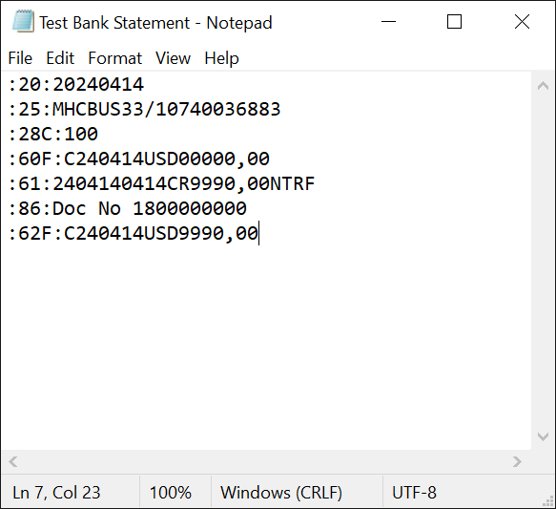
 | Check File Bank Statement with Currency = USD
 | In Tag 61, split line with format <YYMMDDMMDD><D*/C*><Amount><NTRF><Other Information>.
 | If Tag 61 with C* and NTRF, go to next step. Otherwise, cancel this process
 | Fine Tag 86, add string characteristic "CHARGES 10.00" and then import Bank Statement

 | Charges was configured in Search String Configuration (OTPM)

 | It means in case Tag :86: has String Characteristic CHARGES #+.##, it will automatically included Bank Charge G/L Account in Posting
 | Therefore, in this enhancement, if we change line 86 to CHARGES 10.00, it will post journal entries with Bank Charge G/L Account

 | 1. Bank Ledger Posting |  |  |  |  | 2. Sub Ledger Posting
 | Dr Main Bank |  |  |  |  | Dr Sub Bank In
 |  | Cr Sub Bank In |  |  |  | Dr Charge A/C 10.00$
 |  |  |  |  |  |  | Cr Account Receivables

Function Overview (Proc. Flow)
Summary specification |  | Project Title |  | Team Name |  | Function Name |  | Person responsible | HuyNM | Creation Date | 2024-05-11 | Document No.
 |  | SP24SAP04_BSLB |  | ABC_ROLLOUT |  | User Exit Enhancement in Bank Statement

Process flow

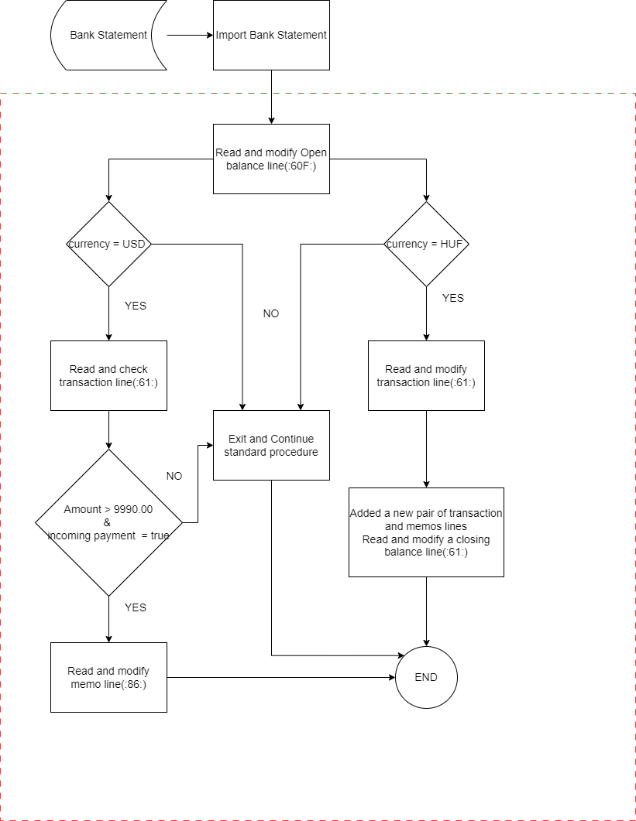

 |  |  |  |  |  |  |  |  |  | Red frame: Range of this specification summary

Legend (Partially extracted from JISX0121 standard)
Preparation: Used for setting initial values
Data: Indicates data input/output, etc.
Database:
Indicates access to the database, etc.

Processing: All kinds of processing functions
Add-on:
Indicates access to add-on objects, etc.
Decision: Decide True or False
Loop end: Indicates the start of the loop and describes default value, increment,
Defined processing: Used for subroutines, etc.
External files

Terminal: Indicates start, end, stop, etc.
Loop end: Indicates the termination

Module list
No. | Functions |  | Attributes |  | ADDON/Standard |  | Remarks
1
2
3
4
5
6
7
8
9
10

